dbms
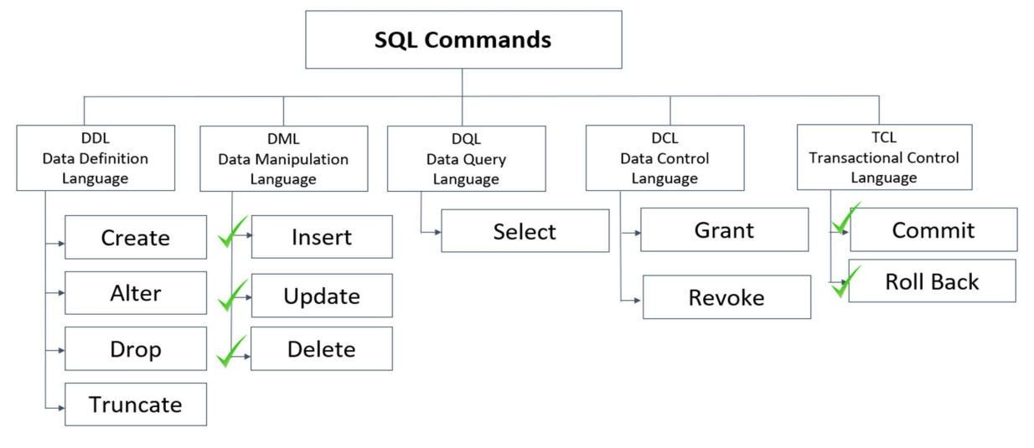
 | Introduction to RDBMS |  | DBMS
 |  |  | it can be added, deleted, updated and retrieved from one place
 | A relational database refers to a database that
 | stores data in a structured format, using rows and |  | RDBMS
 | columns. |  | RDBMS allows to store, retrieve or manipulate data, but in a more efficient way than DBMS

 | It is "relational" because the values within each
 | table are related to each other. |  | Data
 |  |  | Data is defined as facts or figures, or information that's stored in or used by a computer.
 | Tables may also be related to other tables.

The key difference is that RDBMS (relational database management system) applications store data in a tabular form, whereas in tradition approach, applications store data as files. |  |  | Database
 |  |  | A database is a collection of information that is organized so that it can be easily accessed, managed and updated.

 | Normalization
 | Decompose larger, complex table into simpler and smaller ones |  |  | Built-in Data Types
 |  |  |  | • Numeric: TINYINT INT, BIGINT
 |  | First Normal Form (1NF) |  | • Floating numbers: DECIMAL, FLOAT
 |  | All attributes in the relation are atomic in nature and there are no repeating elements or group of elements. |  | • Strings: CHAR, VARCHAR, BLOB, TEXT
 |  |  |  | • Date and Time: DATE, TIME, DATETIME

 |  | Second Normal Form (2NF)
 |  | No partial dependency exists between non-key attributes and key attributes. |  | Numeric – Data Types |  | Date
 |  |  |  | Datatype From To |  | Datatype Description
 |  |  |  | Tinyint 0 to 255 |  | DATE Stores date (format YYYY-MM-DD)
 |  | Second Normal Form (2NF) |  | int -2,147,483,648 to 2,147,483,647 |  | TIME Stores time (format HH:MI:SS)
 |  | No transitive dependency exists between non-key attributes and key attributes through another non-key attribute |  | bigint -9,223,372,036,854,775,808 to 9,223,372,036,854,77 |  | DATETIME Stores information of date and time (format YYYY-MM-DD
 |  |  |  |  |  | HH:MI:SS)
 |  |  |  | Floating Numbers | Strings
 |  |  |  | Datatype From To | DataType Description
 |  |  |  | Decimal -10^38 +1 10^38 -1 | CHAR Fixed length (Max - 8,000 characters)
 |  |  |  | Float -1.79E + 308 1.79E + 308 | VARCHAR Variable length storage (Max – 8,000 characters)
 |  |  |  |  | BLOB For binary large objects
 |  |  |  |  | TEXT Variable length storage (Max Size – 1GB data)

 |  |  |  | Constraints
 |  |  |  | NOT NULL Ensures that a column cannot have a NULL value.
 |  |  |  | DEFAULT Provides a default value for a column when none is specified.
 |  |  |  | UNIQUE Ensures that all the values in a column are different
 |  |  |  | PRIMARY Uniquely identifies each row/record in a database table
 |  |  |  | FOREIGN Uniquely identifies a row/record in any another database table
 |  |  |  | CHECK The CHECK constraint ensures that all values in a column satisfy certain conditions.
 |  |  |  | INDEX Used to create and retrieve data from the database very quickly.

Sheet2
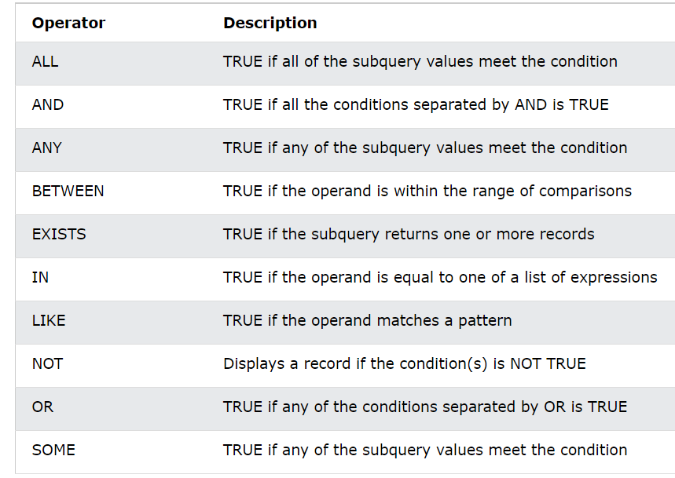
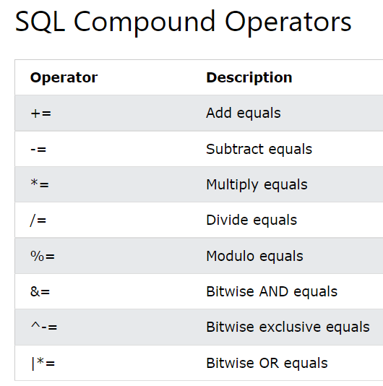
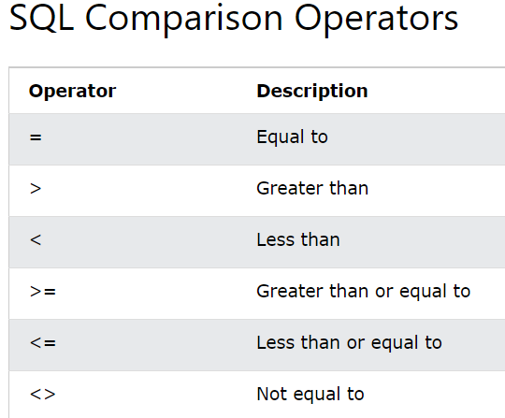
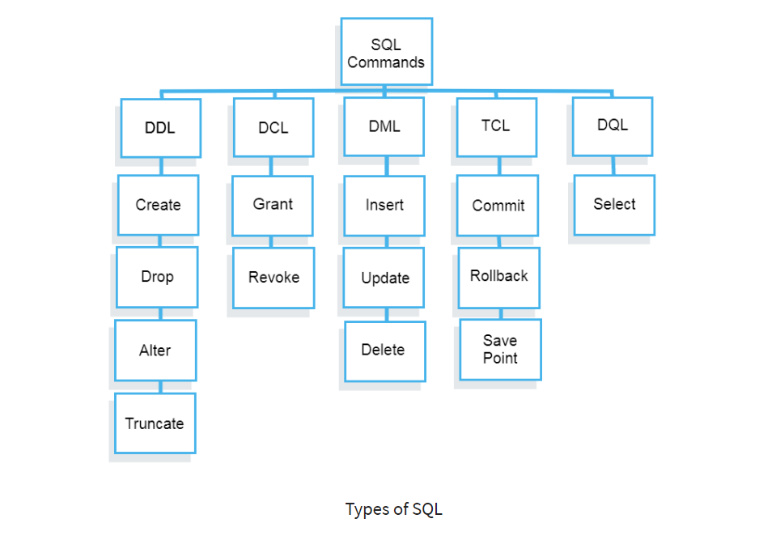

CREATE | --> database, table | INSERT | --> database, table | INSERT INTO table_name
 | CREATE DATABASE db_name; |  |  | VALUES
 |  |  |  | (x,g,y,….)
ALTER | --> change, modify, Add column,drop, add column after |  |  | (x,g,y,….);
 | ALTER TABLE table_name CHANGE COLUMN_NAME col_nam VARCHAR(?); | UPDATE |  | UPDATE table_name
 | ALTER TABLE table_name MODIFY COLUMN_NAME VARCHAR(?); |  |  | SET | col_name=" ", col_name = ?....
 | ALTER TABLE table_name ADD COLUMN col_nam VARCHAR(?)/INT; |  |  | WHERE col_name = val;
 | ALTER TABLE table_name ADD col_nam VARCHAR(?)/INT AFTER COLUMN_NAME;
 | ALTER TABLE table_name DROP COLUMN col_nam; | DELETE |  | DELETE FROM table_name
DROP | --> drop tables and databses completely |  |  | WHERE col_name = val;
 | DROP TABLE employees;
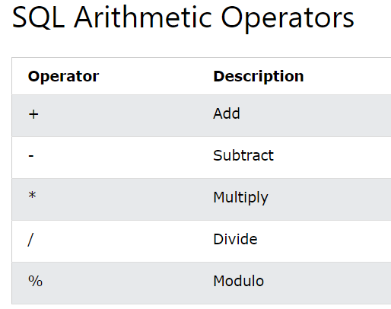
RENAME | rename the table | COMMIT
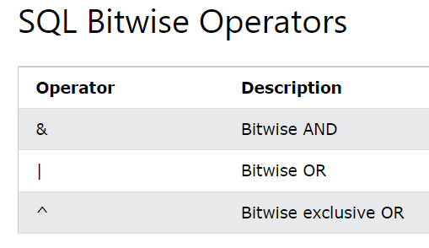
 | RENAME TABLE employees to employees_info; | ROLLBACK

TRUNCATE | --> to remove table data
 | TRUNCATE TABLE employees_info;

data type
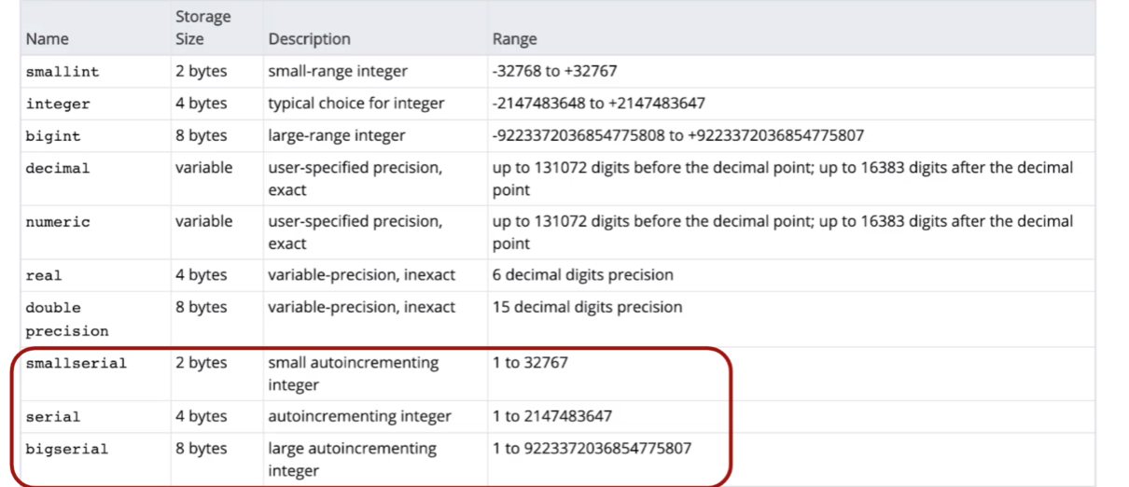
Type | Storage (Bytes) | Minimum Value Signed | Minimum Value Unsigned | Maximum Value Signed | Maximum Value Unsigned
TINYINT | 1 | -128 | 0 | 127 | 255
SMALLINT | 2 | -32,768 | 0 | 32,767 | 65,535
MEDIUMINT | 3 | -8,388,608 | 0 | 8,388,607 | 16,777,215
INT | 4 | -2,147,483,648 | 0 | 2,147,483,647 | 4,294,967,295
BIGINT | 8 | -2^63 | 0 | 2^63-1 | 2^64-1

